single column
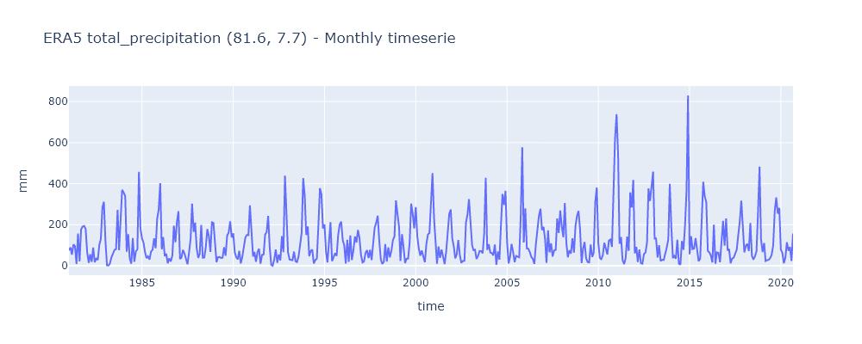
Lat.= | 7.7
Lon.= | 81.6
Param.= | tp
time | tp
1981-01-01 | 75
1981-02-01 | 89
1981-03-01 | 54
1981-04-01 | 104
1981-05-01 | 95
1981-06-01 | 9
1981-07-01 | 157
1981-08-01 | 21
1981-09-01 | 177
1981-10-01 | 191
1981-11-01 | 194
1981-12-01 | 179
1982-01-01 | 65
1982-02-01 | 14
1982-03-01 | 56
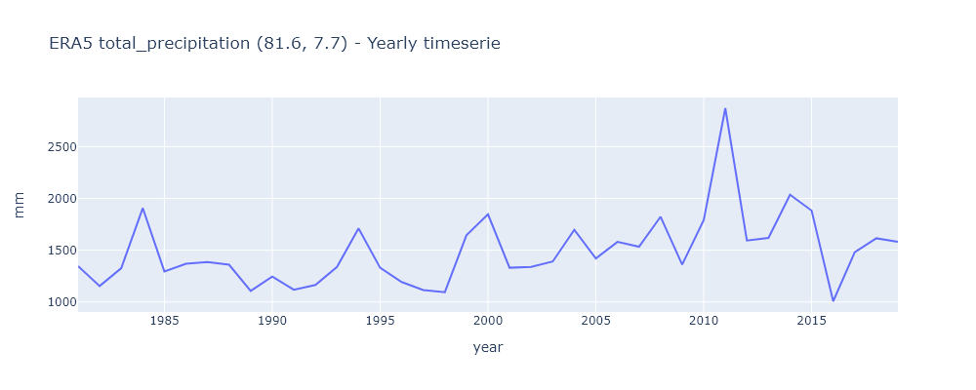
1982-04-01 | 19
1982-05-01 | 89
1982-06-01 | 17
1982-07-01 | 37
1982-08-01 | 28
1982-09-01 | 103
1982-10-01 | 130
1982-11-01 | 284
1982-12-01 | 312
1983-01-01 | 122
1983-02-01 | 2
1983-03-01 | 1
1983-04-01 | 11
1983-05-01 | 41
1983-06-01 | 61
1983-07-01 | 77
1983-08-01 | 81
1983-09-01 | 272
1983-10-01 | 76
1983-11-01 | 211
1983-12-01 | 370
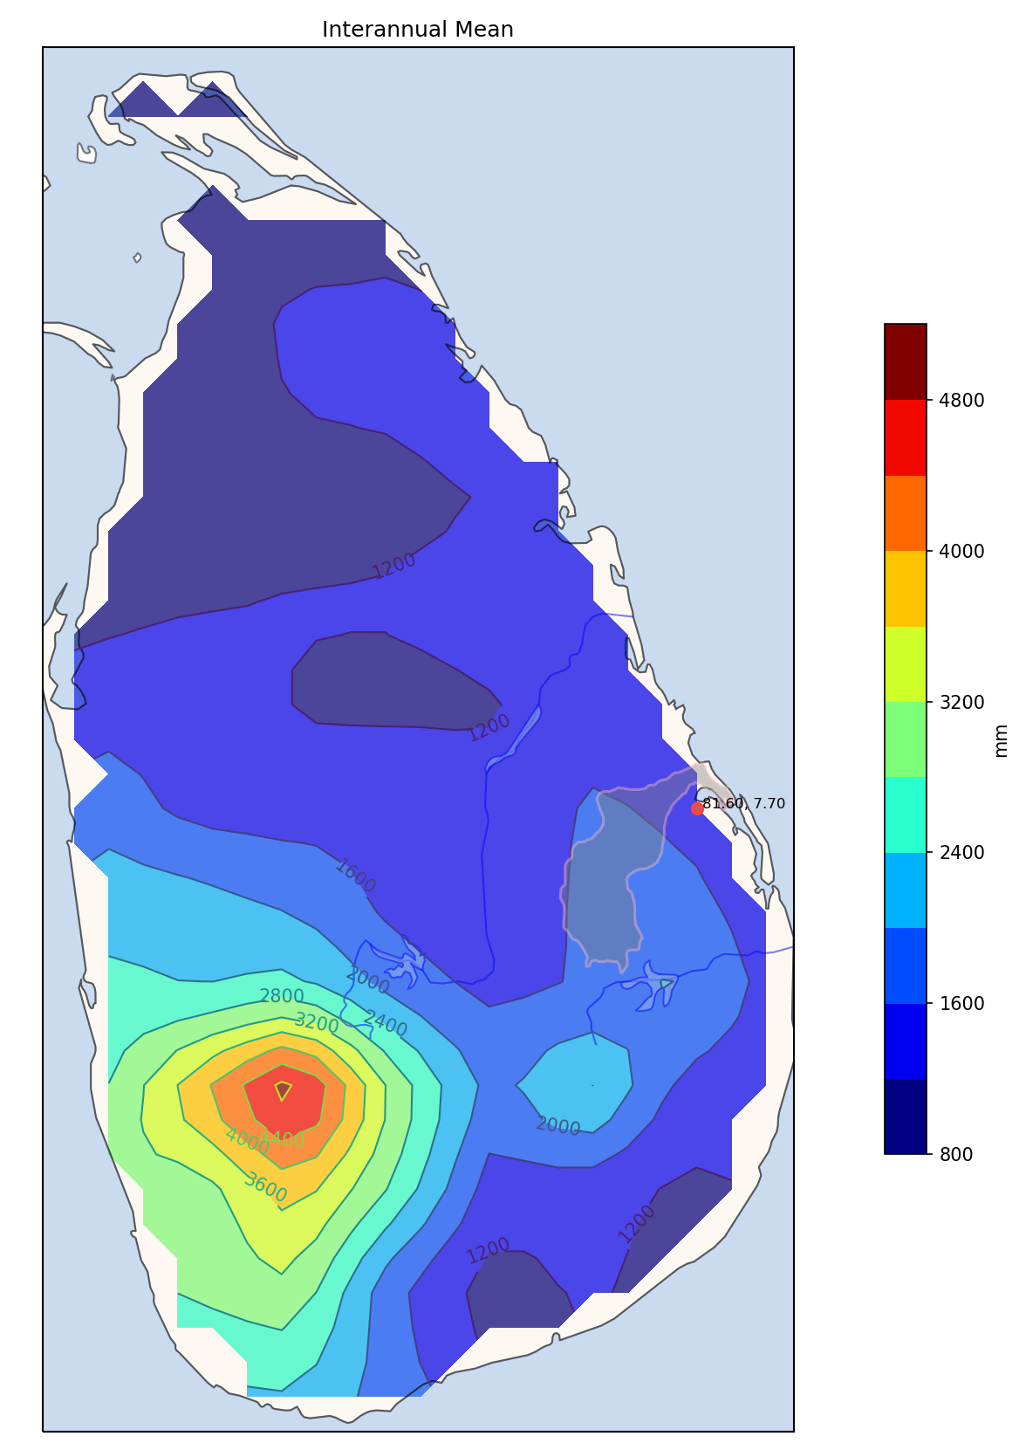
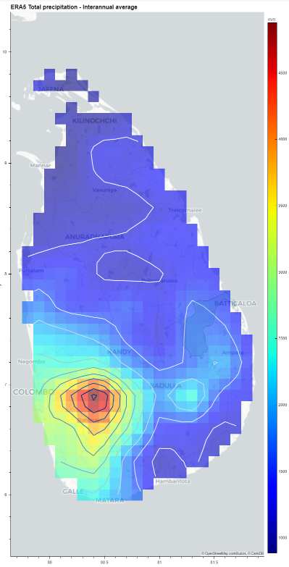
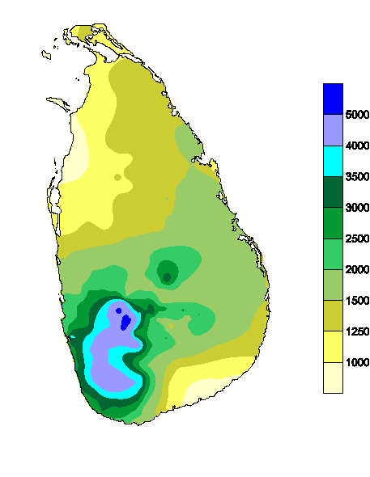
1984-01-01 | 357 | http://www.meteo.gov.lk/index.php?option=com_content&view=article&id=94&Itemid=310&lang=en&lang=en
1984-02-01 | 339
1984-03-01 | 68
1984-04-01 | 154
1984-05-01 | 35
1984-06-01 | 10
1984-07-01 | 135
1984-08-01 | 19
1984-09-01 | 70
1984-10-01 | 80
1984-11-01 | 458
1984-12-01 | 182
1985-01-01 | 134
1985-02-01 | 112
1985-03-01 | 69
1985-04-01 | 37
1985-05-01 | 46
1985-06-01 | 30
1985-07-01 | 69
1985-08-01 | 78
1985-09-01 | 134
1985-10-01 | 85
1985-11-01 | 229
1985-12-01 | 272
1986-01-01 | 402
1986-02-01 | 80
1986-03-01 | 140
1986-04-01 | 47
1986-05-01 | 59
1986-06-01 | 12
1986-07-01 | 36
1986-08-01 | 21
1986-09-01 | 50
1986-10-01 | 196
1986-11-01 | 115
1986-12-01 | 214
1987-01-01 | 266
1987-02-01 | 33
1987-03-01 | 39
1987-04-01 | 77
1987-05-01 | 60
1987-06-01 | 30
1987-07-01 | 7
1987-08-01 | 65
1987-09-01 | 131
1987-10-01 | 303
1987-11-01 | 165
1987-12-01 | 210
1988-01-01 | 84
1988-02-01 | 38
1988-03-01 | 58
1988-04-01 | 199
1988-05-01 | 39
1988-06-01 | 40
1988-07-01 | 91
1988-08-01 | 179
1988-09-01 | 143
1988-10-01 | 67
1988-11-01 | 212
1988-12-01 | 209
1989-01-01 | 129
1989-02-01 | 17
1989-03-01 | 41
1989-04-01 | 43
1989-05-01 | 38
1989-06-01 | 39
1989-07-01 | 90
1989-08-01 | 49
1989-09-01 | 147
1989-10-01 | 161
1989-11-01 | 216
1989-12-01 | 138
1990-01-01 | 158
1990-02-01 | 65
1990-03-01 | 43
1990-04-01 | 31
1990-05-01 | 73
1990-06-01 | 11
1990-07-01 | 43
1990-08-01 | 90
1990-09-01 | 138
1990-10-01 | 150
1990-11-01 | 149
1990-12-01 | 294
1991-01-01 | 161
1991-02-01 | 45
1991-03-01 | 67
1991-04-01 | 19
1991-05-01 | 66
1991-06-01 | 83
1991-07-01 | 10
1991-08-01 | 53
1991-09-01 | 55
1991-10-01 | 152
1991-11-01 | 165
1991-12-01 | 243
1992-01-01 | 89
1992-02-01 | 4
1992-03-01 | 0
1992-04-01 | 31
1992-05-01 | 79
1992-06-01 | 14
1992-07-01 | 55
1992-08-01 | 26
1992-09-01 | 144
1992-10-01 | 66
1992-11-01 | 439
1992-12-01 | 219
1993-01-01 | 66
1993-02-01 | 30
1993-03-01 | 28
1993-04-01 | 27
1993-05-01 | 69
1993-06-01 | 21
1993-07-01 | 18
1993-08-01 | 46
1993-09-01 | 103
1993-10-01 | 161
1993-11-01 | 427
1993-12-01 | 342
1994-01-01 | 150
1994-02-01 | 191
1994-03-01 | 46
1994-04-01 | 72
1994-05-01 | 79
1994-06-01 | 11
1994-07-01 | 28
1994-08-01 | 34
1994-09-01 | 195
1994-10-01 | 378
1994-11-01 | 348
1994-12-01 | 182
1995-01-01 | 201
1995-02-01 | 67
1995-03-01 | 16
1995-04-01 | 98
1995-05-01 | 212
1995-06-01 | 22
1995-07-01 | 42
1995-08-01 | 61
1995-09-01 | 48
1995-10-01 | 148
1995-11-01 | 201
1995-12-01 | 215
1996-01-01 | 125
1996-02-01 | 98
1996-03-01 | 11
1996-04-01 | 126
1996-05-01 | 19
1996-06-01 | 147
1996-07-01 | 28
1996-08-01 | 74
1996-09-01 | 143
1996-10-01 | 113
1996-11-01 | 174
1996-12-01 | 135
1997-01-01 | 51
1997-02-01 | 16
1997-03-01 | 21
1997-04-01 | 62
1997-05-01 | 76
1997-06-01 | 37
1997-07-01 | 78
1997-08-01 | 28
1997-09-01 | 109
1997-10-01 | 185
1997-11-01 | 210
1997-12-01 | 244
1998-01-01 | 121
1998-02-01 | 31
1998-03-01 | 9
1998-04-01 | 18
1998-05-01 | 105
1998-06-01 | 20
1998-07-01 | 90
1998-08-01 | 41
1998-09-01 | 73
1998-10-01 | 125
1998-11-01 | 143
1998-12-01 | 318
1999-01-01 | 252
1999-02-01 | 189
1999-03-01 | 23
1999-04-01 | 154
1999-05-01 | 92
1999-06-01 | 13
1999-07-01 | 34
1999-08-01 | 35
1999-09-01 | 113
1999-10-01 | 303
1999-11-01 | 254
1999-12-01 | 182
2000-01-01 | 286
2000-02-01 | 144
2000-03-01 | 85
2000-04-01 | 49
2000-05-01 | 74
2000-06-01 | 38
2000-07-01 | 17
2000-08-01 | 107
2000-09-01 | 153
2000-10-01 | 159
2000-11-01 | 284
2000-12-01 | 451
2001-01-01 | 231
2001-02-01 | 83
2001-03-01 | 10
2001-04-01 | 94
2001-05-01 | 38
2001-06-01 | 79
2001-07-01 | 45
2001-08-01 | 8
2001-09-01 | 70
2001-10-01 | 146
2001-11-01 | 253
2001-12-01 | 274
2002-01-01 | 131
2002-02-01 | 93
2002-03-01 | 36
2002-04-01 | 57
2002-05-01 | 125
2002-06-01 | 53
2002-07-01 | 14
2002-08-01 | 23
2002-09-01 | 24
2002-10-01 | 210
2002-11-01 | 249
2002-12-01 | 325
2003-01-01 | 188
2003-02-01 | 101
2003-03-01 | 76
2003-04-01 | 78
2003-05-01 | 33
2003-06-01 | 48
2003-07-01 | 72
2003-08-01 | 71
2003-09-01 | 61
2003-10-01 | 157
2003-11-01 | 429
2003-12-01 | 77
2004-01-01 | 105
2004-02-01 | 64
2004-03-01 | 62
2004-04-01 | 50
2004-05-01 | 103
2004-06-01 | 5
2004-07-01 | 69
2004-08-01 | 30
2004-09-01 | 199
2004-10-01 | 350
2004-11-01 | 296
2004-12-01 | 365
2005-01-01 | 117
2005-02-01 | 11
2005-03-01 | 42
2005-04-01 | 106
2005-05-01 | 69
2005-06-01 | 17
2005-07-01 | 48
2005-08-01 | 43
2005-09-01 | 41
2005-10-01 | 235
2005-11-01 | 577
2005-12-01 | 113
2006-01-01 | 280
2006-02-01 | 84
2006-03-01 | 83
2006-04-01 | 67
2006-05-01 | 43
2006-06-01 | 33
2006-07-01 | 9
2006-08-01 | 106
2006-09-01 | 179
2006-10-01 | 244
2006-11-01 | 278
2006-12-01 | 174
2007-01-01 | 189
2007-02-01 | 128
2007-03-01 | 14
2007-04-01 | 173
2007-05-01 | 65
2007-06-01 | 109
2007-07-01 | 45
2007-08-01 | 75
2007-09-01 | 77
2007-10-01 | 230
2007-11-01 | 160
2007-12-01 | 269
2008-01-01 | 191
2008-02-01 | 139
2008-03-01 | 306
2008-04-01 | 112
2008-05-01 | 41
2008-06-01 | 75
2008-07-01 | 59
2008-08-01 | 134
2008-09-01 | 64
2008-10-01 | 194
2008-11-01 | 243
2008-12-01 | 267
2009-01-01 | 175
2009-02-01 | 13
2009-03-01 | 83
2009-04-01 | 116
2009-05-01 | 37
2009-06-01 | 18
2009-07-01 | 16
2009-08-01 | 103
2009-09-01 | 43
2009-10-01 | 64
2009-11-01 | 312
2009-12-01 | 381
2010-01-01 | 111
2010-02-01 | 38
2010-03-01 | 32
2010-04-01 | 52
2010-05-01 | 112
2010-06-01 | 85
2010-07-01 | 55
2010-08-01 | 123
2010-09-01 | 128
2010-10-01 | 92
2010-11-01 | 344
2010-12-01 | 619
2011-01-01 | 739
2011-02-01 | 542
2011-03-01 | 107
2011-04-01 | 140
2011-05-01 | 28
2011-06-01 | 8
2011-07-01 | 36
2011-08-01 | 142
2011-09-01 | 73
2011-10-01 | 357
2011-11-01 | 284
2011-12-01 | 418
2012-01-01 | 60
2012-02-01 | 92
2012-03-01 | 18
2012-04-01 | 79
2012-05-01 | 13
2012-06-01 | 10
2012-07-01 | 56
2012-08-01 | 64
2012-09-01 | 112
2012-10-01 | 377
2012-11-01 | 316
2012-12-01 | 398
2013-01-01 | 459
2013-02-01 | 132
2013-03-01 | 133
2013-04-01 | 40
2013-05-01 | 100
2013-06-01 | 23
2013-07-01 | 29
2013-08-01 | 28
2013-09-01 | 57
2013-10-01 | 89
2013-11-01 | 128
2013-12-01 | 399
2014-01-01 | 189
2014-02-01 | 37
2014-03-01 | 48
2014-04-01 | 34
2014-05-01 | 127
2014-06-01 | 10
2014-07-01 | 5
2014-08-01 | 120
2014-09-01 | 78
2014-10-01 | 193
2014-11-01 | 366
2014-12-01 | 830
2015-01-01 | 56
2015-02-01 | 144
2015-03-01 | 81
2015-04-01 | 84
2015-05-01 | 135
2015-06-01 | 78
2015-07-01 | 22
2015-08-01 | 34
2015-09-01 | 193
2015-10-01 | 409
2015-11-01 | 337
2015-12-01 | 311
2016-01-01 | 72
2016-02-01 | 65
2016-03-01 | 50
2016-04-01 | 16
2016-05-01 | 200
2016-06-01 | 10
2016-07-01 | 65
2016-08-01 | 63
2016-09-01 | 17
2016-10-01 | 132
2016-11-01 | 219
2016-12-01 | 98
2017-01-01 | 230
2017-02-01 | 74
2017-03-01 | 82
2017-04-01 | 12
2017-05-01 | 35
2017-06-01 | 39
2017-07-01 | 58
2017-08-01 | 78
2017-09-01 | 149
2017-10-01 | 215
2017-11-01 | 317
2017-12-01 | 193
2018-01-01 | 65
2018-02-01 | 98
2018-03-01 | 107
2018-04-01 | 72
2018-05-01 | 208
2018-06-01 | 49
2018-07-01 | 30
2018-08-01 | 46
2018-09-01 | 71
2018-10-01 | 257
2018-11-01 | 483
2018-12-01 | 128
2019-01-01 | 67
2019-02-01 | 111
2019-03-01 | 23
2019-04-01 | 27
2019-05-01 | 29
2019-06-01 | 37
2019-07-01 | 53
2019-08-01 | 99
2019-09-01 | 267
2019-10-01 | 333
2019-11-01 | 254
2019-12-01 | 282
2020-01-01 | 79
2020-02-01 | 62
2020-03-01 | 12
2020-04-01 | 40
2020-05-01 | 115
2020-06-01 | 73
2020-07-01 | 92
2020-08-01 | 23
2020-09-01 | 157

one_column_by_month
1981 | 1345
1982 | 1154
1983 | 1325
1984 | 1907
1985 | 1295
1986 | 1372
1987 | 1386
1988 | 1359
1989 | 1108
1990 | 1245
1991 | 1119
1992 | 1166
1993 | 1338
1994 | 1714
1995 | 1331
1996 | 1193
1997 | 1117
1998 | 1094
1999 | 1644
2000 | 1847
2001 | 1331
2002 | 1340
2003 | 1391
2004 | 1698
2005 | 1419
2006 | 1580
2007 | 1534
2008 | 1825
2009 | 1361
2010 | 1791
2011 | 2874
2012 | 1595
2013 | 1617
2014 | 2037
2015 | 1884
2016 | 1007
2017 | 1482
2018 | 1614
2019 | 1582
2020
 | 1487.7179487
Lat.= | 7.7
Lon.= | 81.6
Param.= | tp
YEAR | 1 | 2 | 3 | 4 | 5 | 6 | 7 | 8 | 9 | 10 | 11 | 12 | Total
1981 | 75 | 89 | 54 | 104 | 95 | 9 | 157 | 21 | 177 | 191 | 194 | 179 | 1345
1982 | 65 | 14 | 56 | 19 | 89 | 17 | 37 | 28 | 103 | 130 | 284 | 312 | 1154
1983 | 122 | 2 | 1 | 11 | 41 | 61 | 77 | 81 | 272 | 76 | 211 | 370 | 1325
1984 | 357 | 339 | 68 | 154 | 35 | 10 | 135 | 19 | 70 | 80 | 458 | 182 | 1907
1985 | 134 | 112 | 69 | 37 | 46 | 30 | 69 | 78 | 134 | 85 | 229 | 272 | 1295
1986 | 402 | 80 | 140 | 47 | 59 | 12 | 36 | 21 | 50 | 196 | 115 | 214 | 1372
1987 | 266 | 33 | 39 | 77 | 60 | 30 | 7 | 65 | 131 | 303 | 165 | 210 | 1386
1988 | 84 | 38 | 58 | 199 | 39 | 40 | 91 | 179 | 143 | 67 | 212 | 209 | 1359
1989 | 129 | 17 | 41 | 43 | 38 | 39 | 90 | 49 | 147 | 161 | 216 | 138 | 1108
1990 | 158 | 65 | 43 | 31 | 73 | 11 | 43 | 90 | 138 | 150 | 149 | 294 | 1245
1991 | 161 | 45 | 67 | 19 | 66 | 83 | 10 | 53 | 55 | 152 | 165 | 243 | 1119
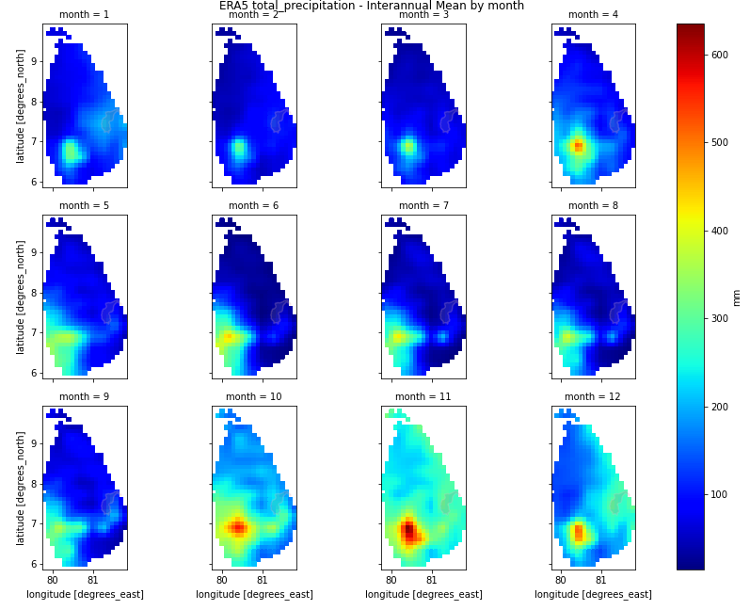
1992 | 89 | 4 | 0 | 31 | 79 | 14 | 55 | 26 | 144 | 66 | 439 | 219 | 1166
1993 | 66 | 30 | 28 | 27 | 69 | 21 | 18 | 46 | 103 | 161 | 427 | 342 | 1338
1994 | 150 | 191 | 46 | 72 | 79 | 11 | 28 | 34 | 195 | 378 | 348 | 182 | 1714
1995 | 201 | 67 | 16 | 98 | 212 | 22 | 42 | 61 | 48 | 148 | 201 | 215 | 1331
1996 | 125 | 98 | 11 | 126 | 19 | 147 | 28 | 74 | 143 | 113 | 174 | 135 | 1193
1997 | 51 | 16 | 21 | 62 | 76 | 37 | 78 | 28 | 109 | 185 | 210 | 244 | 1117
1998 | 121 | 31 | 9 | 18 | 105 | 20 | 90 | 41 | 73 | 125 | 143 | 318 | 1094
1999 | 252 | 189 | 23 | 154 | 92 | 13 | 34 | 35 | 113 | 303 | 254 | 182 | 1644
2000 | 286 | 144 | 85 | 49 | 74 | 38 | 17 | 107 | 153 | 159 | 284 | 451 | 1847
2001 | 231 | 83 | 10 | 94 | 38 | 79 | 45 | 8 | 70 | 146 | 253 | 274 | 1331
2002 | 131 | 93 | 36 | 57 | 125 | 53 | 14 | 23 | 24 | 210 | 249 | 325 | 1340
2003 | 188 | 101 | 76 | 78 | 33 | 48 | 72 | 71 | 61 | 157 | 429 | 77 | 1391
2004 | 105 | 64 | 62 | 50 | 103 | 5 | 69 | 30 | 199 | 350 | 296 | 365 | 1698
2005 | 117 | 11 | 42 | 106 | 69 | 17 | 48 | 43 | 41 | 235 | 577 | 113 | 1419
2006 | 280 | 84 | 83 | 67 | 43 | 33 | 9 | 106 | 179 | 244 | 278 | 174 | 1580
2007 | 189 | 128 | 14 | 173 | 65 | 109 | 45 | 75 | 77 | 230 | 160 | 269 | 1534
2008 | 191 | 139 | 306 | 112 | 41 | 75 | 59 | 134 | 64 | 194 | 243 | 267 | 1825
2009 | 175 | 13 | 83 | 116 | 37 | 18 | 16 | 103 | 43 | 64 | 312 | 381 | 1361
2010 | 111 | 38 | 32 | 52 | 112 | 85 | 55 | 123 | 128 | 92 | 344 | 619 | 1791
2011 | 739 | 542 | 107 | 140 | 28 | 8 | 36 | 142 | 73 | 357 | 284 | 418 | 2874
2012 | 60 | 92 | 18 | 79 | 13 | 10 | 56 | 64 | 112 | 377 | 316 | 398 | 1595
2013 | 459 | 132 | 133 | 40 | 100 | 23 | 29 | 28 | 57 | 89 | 128 | 399 | 1617
2014 | 189 | 37 | 48 | 34 | 127 | 10 | 5 | 120 | 78 | 193 | 366 | 830 | 2037
2015 | 56 | 144 | 81 | 84 | 135 | 78 | 22 | 34 | 193 | 409 | 337 | 311 | 1884
2016 | 72 | 65 | 50 | 16 | 200 | 10 | 65 | 63 | 17 | 132 | 219 | 98 | 1007
2017 | 230 | 74 | 82 | 12 | 35 | 39 | 58 | 78 | 149 | 215 | 317 | 193 | 1482
2018 | 65 | 98 | 107 | 72 | 208 | 49 | 30 | 46 | 71 | 257 | 483 | 128 | 1614
2019 | 67 | 111 | 23 | 27 | 29 | 37 | 53 | 99 | 267 | 333 | 254 | 282 | 1582
2020 | 79 | 62 | 12 | 40 | 115 | 73 | 92 | 23 | 157
 | 171.4 | 90.7 | 55.7 | 69.0 | 75.8 | 37.3 | 49.4 | 62.4 | 111.5 | 188.1 | 268.4 | 271.1 | 1487.7

